Sheet1
Measure of Quartile
Range
 | Range | The range is the difference between the highest and lowest scores in a data set and is the simplest measure of spread.
 | Formula | Range = maximum value - minimum value

 | Quartiles | Quartiles tell us about the spread of a data set by breaking the data set into quarters, just like the median breaks it in half.

 |  | #NAME?
 | Interquartile Range | It is a measure between Quartiles 1 and Quartile 3
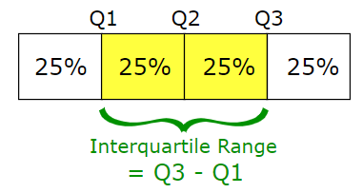

 | Why Quartile is important ? | Quartiles are a useful measure of spread because they are much less affected by outliers or a skewed data set than the equivalent measures of mean and standard deviation.

 | Box and Whisker Plot | A boxplot is a standardized way of displaying the distribution of data based on a five number summary (“minimum”, first quartile (Q1), median, third quartile (Q3), and “maximum”).
 | Outlier Identifier | It can tell you about your outliers and what their values are.

 |  | It can also tell you if your data is symmetrical, how tightly your data is grouped, and if and how your data is skewed.

